Memory Map
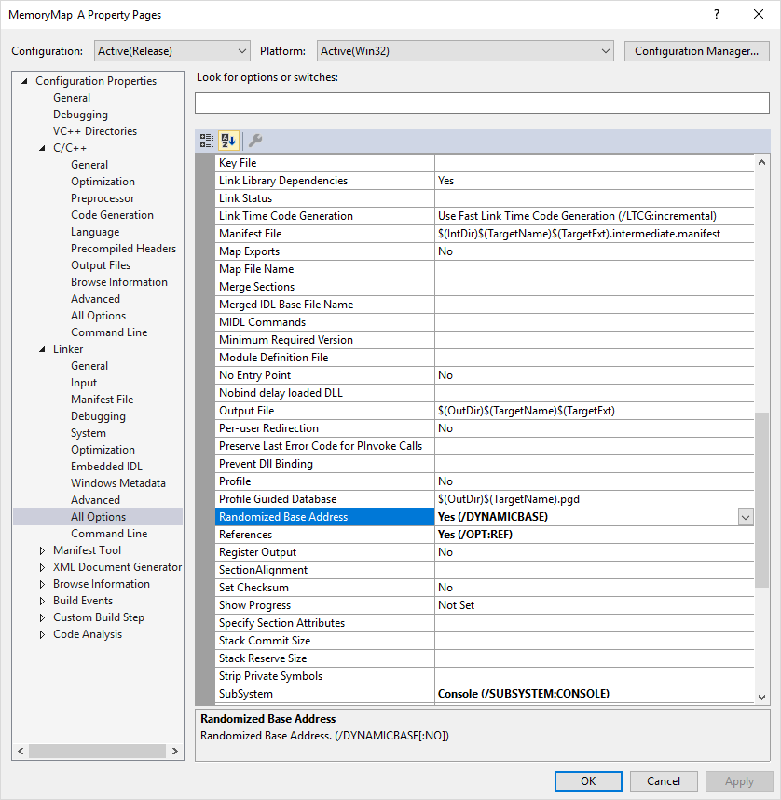
Data Type of Highest Addressed: |  |  | float
Address of Highest: |  |  | 010FF784

HexAddress | Alias | Value |  | HexAddress | Alias | Value | HexAddress | Alias | Value | HexAddress | Alias | Value
010FF787 |  |  |  | 010FF76F |  |  | 010FF757 |  |  | 010FF73F
010FF786 |  |  |  | 010FF76E |  |  | 010FF756 |  |  | 010FF73E
010FF785 |  |  |  | 010FF76D |  |  | 010FF755 |  |  | 010FF73D
010FF784 | x |  |  | 010FF76C | cArray |  | 010FF754 | a |  | 010FF73C
010FF783 |  |  |  | 010FF76B |  |  | 010FF753 | c |  | 010FF73B
010FF782 |  |  |  | 010FF76A |  |  | 010FF752 |  |  | 010FF73A
010FF781 |  |  |  | 010FF769 |  |  | 010FF751 |  |  | 010FF739
010FF780 |  |  |  | 010FF768 |  |  | 010FF750 |  |  | 010FF738
010FF77F |  |  |  | 010FF767 |  |  | 010FF74F |  |  | 010FF737
010FF77E |  |  |  | 010FF766 |  |  | 010FF74E |  |  | 010FF736
010FF77D |  |  |  | 010FF765 |  |  | 010FF74D |  |  | 010FF735
010FF77C |  |  |  | 010FF764 |  |  | 010FF74C |  |  | 010FF734
010FF77B |  |  |  | 010FF763 |  |  | 010FF74B |  |  | 010FF733
010FF77A |  |  |  | 010FF762 |  |  | 010FF74A |  |  | 010FF732
010FF779 |  |  |  | 010FF761 |  |  | 010FF749 |  |  | 010FF731
010FF778 |  |  |  | 010FF760 | d |  | 010FF748 |  |  | 010FF730
010FF777 |  |  |  | 010FF75F |  |  | 010FF747 |  |  | 010FF72F
010FF776 |  |  |  | 010FF75E |  |  | 010FF746 |  |  | 010FF72E
010FF775 |  |  |  | 010FF75D |  |  | 010FF745 |  |  | 010FF72D
010FF774 |  |  |  | 010FF75C | s |  | 010FF744 |  |  | 010FF72C
010FF773 |  |  |  | 010FF75B |  |  | 010FF743 |  |  | 010FF72B
010FF772 |  |  |  | 010FF75A |  |  | 010FF742 |  |  | 010FF72A
010FF771 |  |  |  | 010FF759 |  |  | 010FF741 |  |  | 010FF729
010FF770 |  |  |  | 010FF758 | b |  | 010FF740 |  |  | 010FF728

